Sheet1
 | L1 (mm) | L2 (mm) |  |  | g
 | 300 |  |  |  | 9.81 | THESE DIMS ARE WRONG
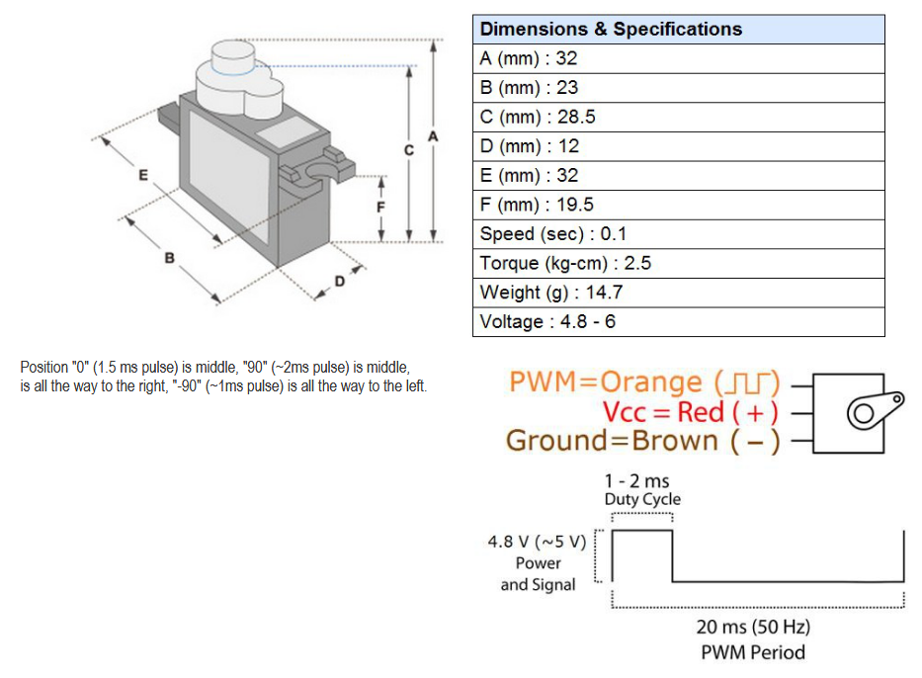
 | kgF.Cm | Nm | N | Payload (g)
Large Servo | 23 | 2.2555295 | 7.5184316667 | 766.40485899
MS18 | 2.5 | 0.24516625 | 0.81722083333 | 83.304875977

